Sheet1
 |  |  | Pressure calculation sheet:
 |  |  | Lattice Innovations
 |  |  | Project: | Bubble CPAP development
 |  |  | Date: | 2018-10-23

O2 cylinder Specifictions

Iteration -1 |  |  |  | Iteration -2

Capacity: | 10 ltr. |  |  | Capacity: | 10 ltr.
Connector: | B-type with bullnose valve |  |  | Connector: | B-type with bullnose valve
Humidifier & flow-meter attached to valve |  |  |  | Single stage double stage regulator
Pressure: | 115 kg-force/ sq.cm |  |  | Pressure: | 115 kg-force/ sq.cm
Link to image: |  | https://goo.gl/FHrTzu |  | Link to image: |  | https://goo.gl/vnaEkd

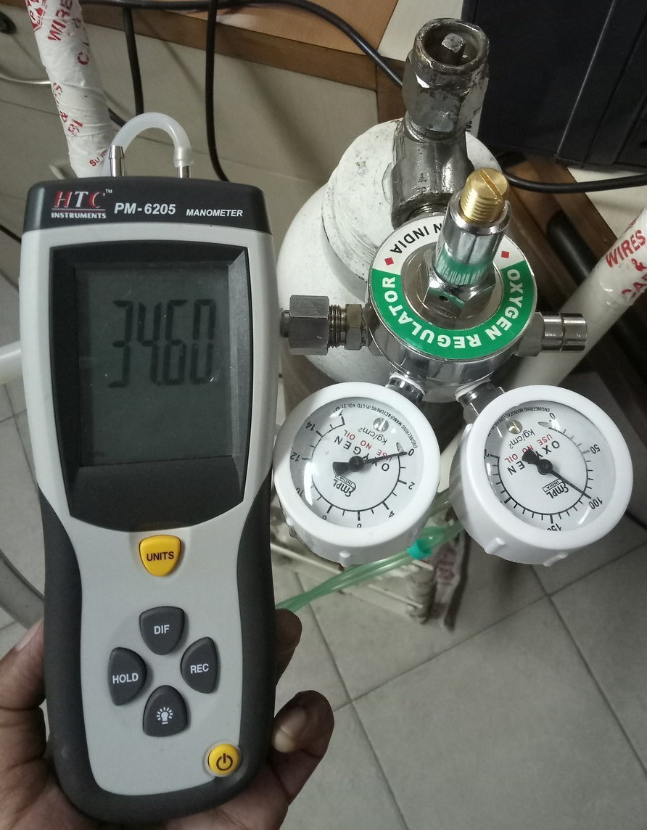
Air Compressor Specifications

Output Flow: | 45 L / min
Pressure: | 18 kPa

Inlet gas pressure for oxygen: 5 psi max |  |  | (34.5 kPa)

